3) Sample Info
NanoString Project Information
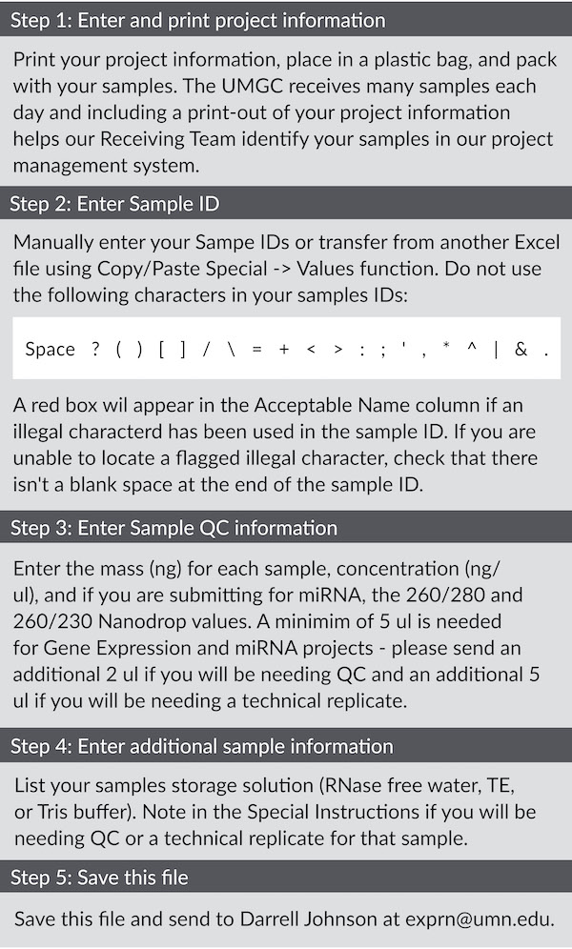
Step 1 ** Print and send with samples **
Principal Invesitgator
UMGC Service Manager |  |  |  | ATTENTION DARRELL JOHNSON | NHH
Organism
Type of Sample Material
(Total RNA, miRNA, FFPE RNA)
Number of Samples
Number of Targets
CodeSet Name
Total Number of Assays
(Samples x Technical Replicates)

Sample Information

Step 2 |  |  | Step 3 |  |  |  | Step 4
Plate Well | Sample ID | Acceptable Name | Amount of RNA (ng) | RNA Concentration (ng/ul) | RNA QC (required for miRNA) |  | Storage Solution | Special Instructions
 |  |  |  |  | 260/280 | 260/230
A01 |  | YES
A02 |  | YES
A03 |  | YES
A04 |  | YES
A05 |  | YES
A06 |  | YES
A07 |  | YES
A08 |  | YES
A09 |  | YES
A10 |  | YES
A11 |  | YES
A12 |  | YES
B01 |  | YES
B02 |  | YES
B03 |  | YES
B04 |  | YES
B05 |  | YES
B06 |  | YES
B07 |  | YES
B08 |  | YES
B09 |  | YES
B10 |  | YES
B11 |  | YES
B12 |  | YES
C01 |  | YES
C02 |  | YES
C03 |  | YES
C04 |  | YES
C05 |  | YES
C06 |  | YES
C07 |  | YES
C08 |  | YES
C09 |  | YES
C10 |  | YES
C11 |  | YES
C12 |  | YES
D01 |  | YES
D02 |  | YES
D03 |  | YES
D04 |  | YES
D05 |  | YES
D06 |  | YES
D07 |  | YES
D08 |  | YES
D09 |  | YES
D10 |  | YES
D11 |  | YES
D12 |  | YES
E01 |  | YES
E02 |  | YES
E03 |  | YES
E04 |  | YES
E05 |  | YES
E06 |  | YES
E07 |  | YES
E08 |  | YES
E09 |  | YES
E10 |  | YES
E11 |  | YES
E12 |  | YES
F01 |  | YES
F02 |  | YES
F03 |  | YES
F04 |  | YES
F05 |  | YES
F06 |  | YES
F07 |  | YES
F08 |  | YES
F09 |  | YES
F10 |  | YES
F11 |  | YES
F12 |  | YES
G01 |  | YES
G02 |  | YES
G03 |  | YES
G04 |  | YES
G05 |  | YES
G06 |  | YES
G07 |  | YES
G08 |  | YES
G09 |  | YES
G10 |  | YES
G11 |  | YES
G12 |  | YES
H01 |  | YES
H02 |  | YES
H03 |  | YES
H04 |  | YES
H05 |  | YES
H06 |  | YES
H07 |  | YES
H08 |  | YES
H09 |  | YES
H10 |  | YES
H11 |  | YES
H12 |  | YES

